Disc & Core
Aksiaal Voorbeeld

 |  | Pressure and delivery realised (Bar & L/min) |  |  |  |  |  |  |  |  | D3DC45 |  | D4DC45 |  | D5DC45 |  | D6DC45 |  | D7DC45
Disc | Core | 1 | 2 | 3 | 4 | 5 | 6 | 10 | 15 | 20 | Bar | L/min | Bar | L/min | Bar | L/min | Bar | L/min | Bar | L/min
D3 | DC45 | 0.53 | 0.74 | 0.91 | 1 | 1.2 | 1.3 | 1.6 | 2 | 2.3 | 1 | 0.53 | 1 | 0.80 | 1 | 1.03 | 1 | 1.31 | 1 | 1.52
D4 | DC45 | 0.8 | 1.1 | 1.4 | 1.6 | 1.8 | 2 | 2.5 | 3.1 | 3.6 | 2 | 0.74 | 2 | 1.13 | 2 | 1.45 | 2 | 1.88 | 2 | 2.18
D5 | DC45 | 1 | 1.5 | 1.8 | 2 | 2.3 | 2.5 | 3.2 | 3.9 | 4.5 | 3 | 0.91 | 3 | 1.38 | 3 | 1.77 | 3 | 2.31 | 3 | 2.69
D6 | DC45 | 1.3 | 1.9 | 2.3 | 2.7 | 3 | 3.3 | 4.3 | 5.3 | 6.1 | 4 | 1.04 | 4 | 1.60 | 4 | 2.04 | 4 | 2.68 | 4 | 3.12
D7 | DC45 | 1.5 | 2.2 | 2.7 | 3.1 | 3.5 | 3.9 | 5 | 6.2 | 7.2 | 5 | 1.16 | 5 | 1.79 | 5 | 2.28 | 5 | 3.01 | 5 | 3.51
 |  |  |  |  |  |  |  |  |  |  | 6 | 1.27 | 6 | 1.96 | 6 | 2.49 | 6 | 3.30 | 6 | 3.85
 |  |  |  |  |  |  |  |  |  |  | 7 | 1.37 | 7 | 2.12 | 7 | 2.69 | 7 | 3.57 | 7 | 4.18
 |  |  |  |  |  |  |  |  |  |  | 8 | 1.47 | 8 | 2.27 | 8 | 2.87 | 8 | 3.83 | 8 | 4.48
 |  |  |  |  |  |  |  |  |  |  | 9 | 1.55 | 9 | 2.41 | 9 | 3.05 | 9 | 4.07 | 9 | 4.76
 |  |  |  |  |  |  |  |  |  |  | 10 | 1.63 | 10 | 2.54 | 10 | 3.21 | 10 | 4.29 | 10 | 5.03
 |  |  |  |  |  |  |  |  |  |  | 11 | 1.71 | 11 | 2.66 | 11 | 3.36 | 11 | 4.51 | 11 | 5.28
 |  |  |  |  |  |  |  |  |  |  | 12 | 1.79 | 12 | 2.78 | 12 | 3.51 | 12 | 4.72 | 12 | 5.53
 |  |  |  |  |  |  |  |  |  |  | 13 | 1.86 | 13 | 2.89 | 13 | 3.65 | 13 | 4.92 | 13 | 5.76
 |  |  |  |  |  |  |  |  |  |  | 14 | 1.93 | 14 | 3.00 | 14 | 3.79 | 14 | 5.11 | 14 | 5.99
 |  |  |  |  |  |  |  |  |  |  | 15 | 1.99 | 15 | 3.11 | 15 | 3.92 | 15 | 5.29 | 15 | 6.21
 |  |  |  |  |  |  |  |  |  |  | 16 | 2.06 | 16 | 3.21 | 16 | 4.05 | 16 | 5.47 | 16 | 6.42
 |  |  |  |  |  |  |  |  |  |  | 17 | 2.12 | 17 | 3.31 | 17 | 4.17 | 17 | 5.64 | 17 | 6.63
 |  |  |  |  |  |  |  |  |  |  | 18 | 2.18 | 18 | 3.41 | 18 | 4.29 | 18 | 5.81 | 18 | 6.83
 |  |  |  |  |  |  |  |  |  |  | 19 | 2.24 | 19 | 3.50 | 19 | 4.40 | 19 | 5.98 | 19 | 7.02
 |  |  |  |  |  |  |  |  |  |  | 20 | 2.30 | 20 | 3.60 | 20 | 4.52 | 20 | 6.13 | 20 | 7.21

Formules
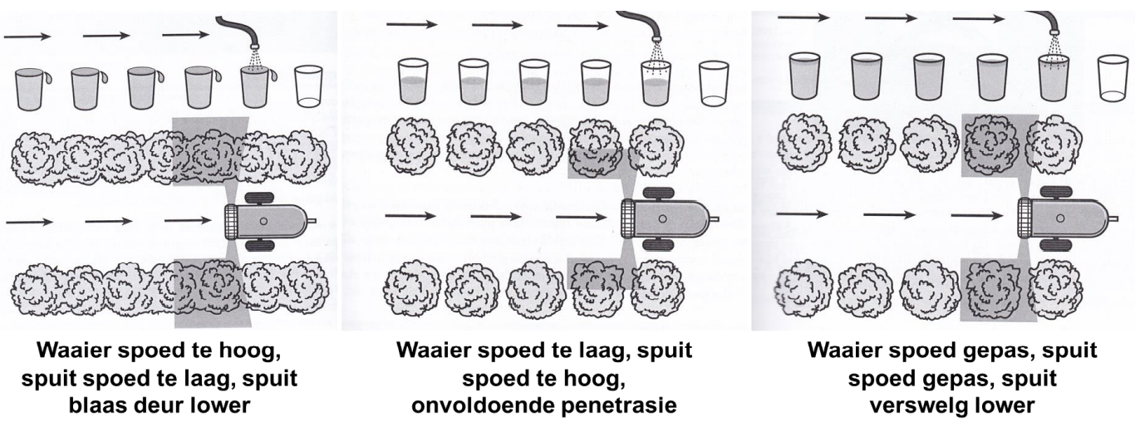
1 | Spray Volume (l/ha) | --> | 10000/Row with (m) | * | Tree height (m) | * | Tree depht (m) | * | 0,018 L

2 | Toelaatbare Sped (km/h) | --> | Beskikbare Lugvolume (m^2/h) | / | ( | 1000 | * | Boomhoogte (m) | * | Boomdiepte (m) | ) | Stadig (Beginpunt)

3 | Trekker Spoed (km/h) | --> | ( | Afstand (m) | * | 3.6 | ) | / | Tyd(sek)

4 | L/min per nozzle | --> | ( | Spoed (km/h) | * | Row spacing (m) | * | Spray volume (L/ha) | ) | / | ( | Factor (600) | * | No. of open nozzles | )

