Formules
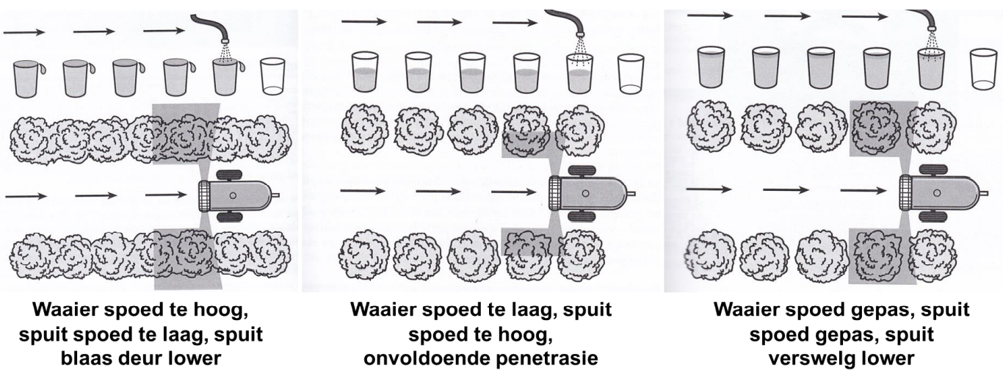
1 | Spray Volume (l/ha) | --> | 10000/Row with (m) | * | Tree height (m) | * | Tree depht (m) | * | 0,018 L

2 | Toelaatbare Sped (km/h) | --> | Beskikbare Lugvolume (m^2/h) | / | ( | 1000 | * | Boomhoogte (m) | * | Boomdiepte (m) | ) | Stadig (Beginpunt)

3 | Trekker Spoed (km/h) | --> | ( | Afstand (m) | * | 3.6 | ) | / | Tyd(sek)

4 | L/min per nozzle | --> | ( | Spoed (km/h) | * | Row spacing (m) | * | Spray volume (L/ha) | ) | / | ( | Factor (600) | * | No. of open nozzles | )

